UW Info
Quotation Ref no.: | ART-2026063008-MW
Listed Area: | Russia Baltic/Far East/Arctic Ocean
Estimated Date of Arrival: | (Not mentioned in the email), (but will try to find out later)

Vessel Name | IMO | Role | Flag | Israeli Interest - Y/N | EU | UK | UN | US | Call Port history to Israel (For GOA/IO/Red Sea only)
FORTUNE SUN | 9267211 | Bulk Carrier | Marshall Islands (MHL) | No | No | No | No | No | No

Parties Involved | IMO | Role | Country Origin | Israeli Interest - Y/N | EU | UK | UN | US | Address
PXK FUTURE SHIPPING LTD | 6164311 | Registered owner | China | No | No | No | No | No | Trust Company Complex, Ajeltake Road, Ajeltake Island, Majuro, Republic of the Marshall Islands MH 96960.
TRUE NORTH SHIPMANAGEMENT HK | 6388815 | Technical Manager/ISM Manager | China | No | No | No | No | No | Room 2303, Vanke Center Riverside, 118, Minsheng Lu, Pudong Xinqu, Shanghai, 200135, China.
JOINT FORTUNE SHIPPING HK LTD | 6167642 | Ship manager/Commercial manager | China | No | No | No | No | No | Level 54, Hopewell Centre, 183, Queen's Road East, Wan Chai, Hong Kong, China.

Quotation Ref no. | Broker | Listed Area | Type of Coverage | Net rate | Premium | Bound or not
ART-2026031305-MW | 06-CTX Special Risks Limited | Russia Baltic/Far East/Arctic Ocean | Marine Hull War | 0.032% | 2,447.20 | Not bound
ART-2025063004-MW | 06-CTX Special Risks Limited | Russia Baltic/Far East/Arctic Ocean | Marine Hull War | 0.05% | 3,250.00 | Not bound

Cargo carried on board | HS Code | Loading Port | Discharge Port | Intermediate Port | EU | UK | UN | US | Any EU/UK/US Nexus
 |  |  | Fareast Russia, Vostochny port, or Nakhodka, Russia

EXAMPLE



Email Draft format

Search results
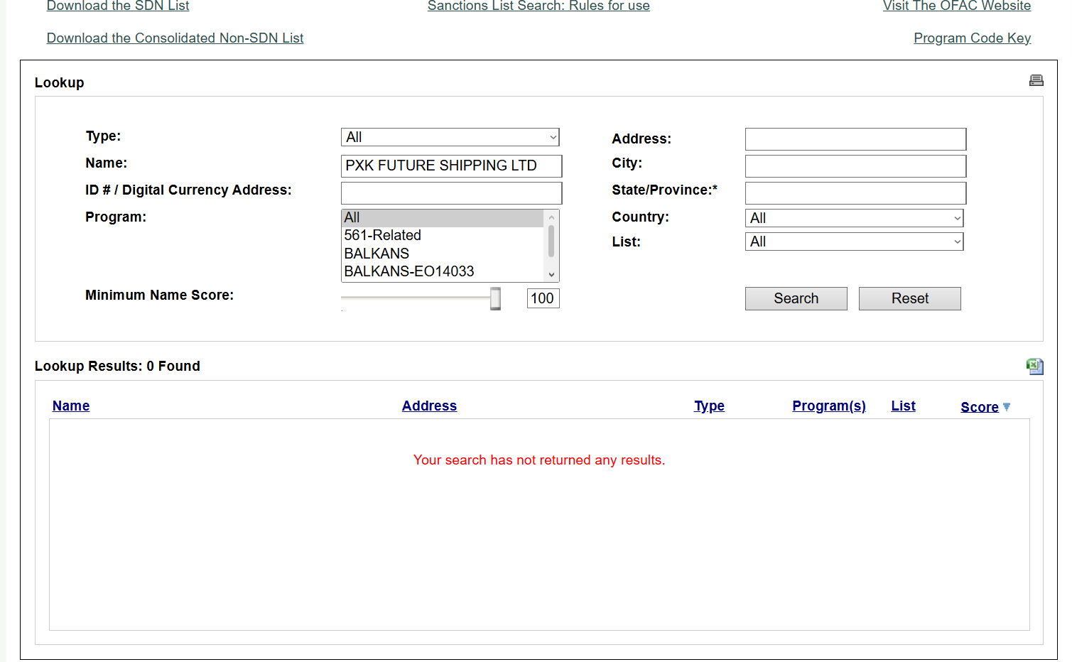
No sanction concerns on the vessel and all parties involved under EU/UK/US/UN sanction regime.
VESSEL | FORTUNE SUN | OWNER | PXK FUTURE SHIPPING LTD
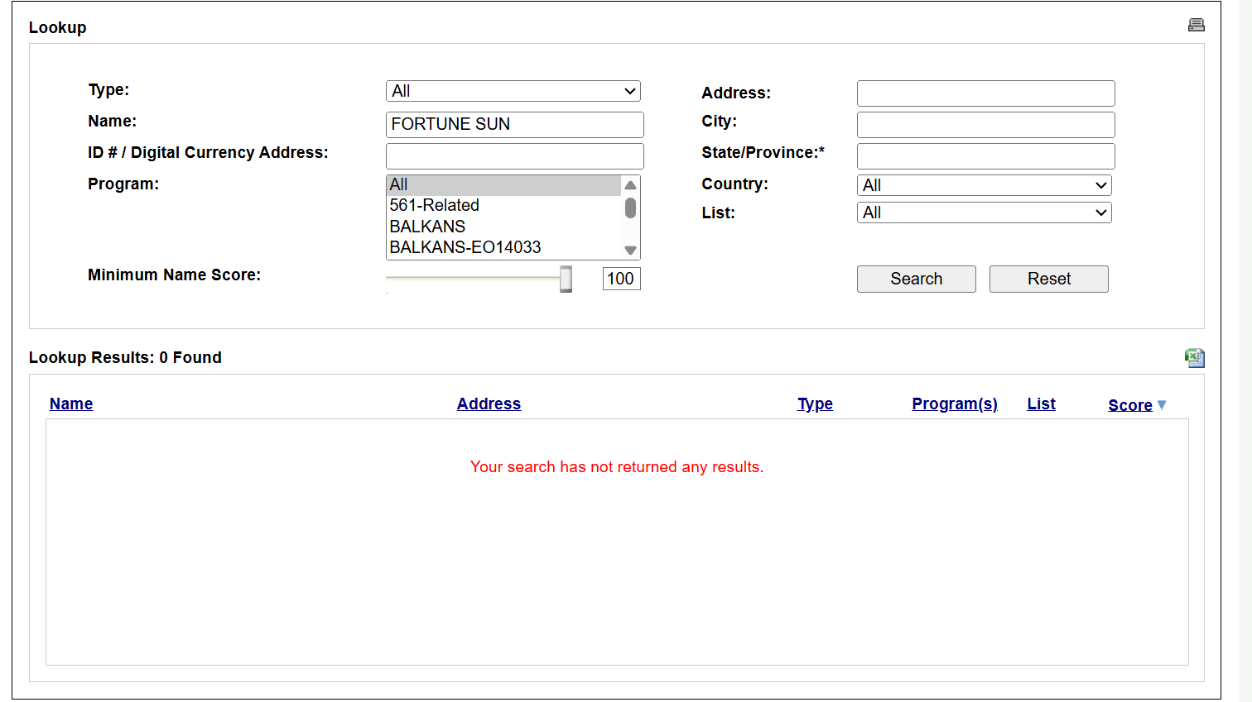
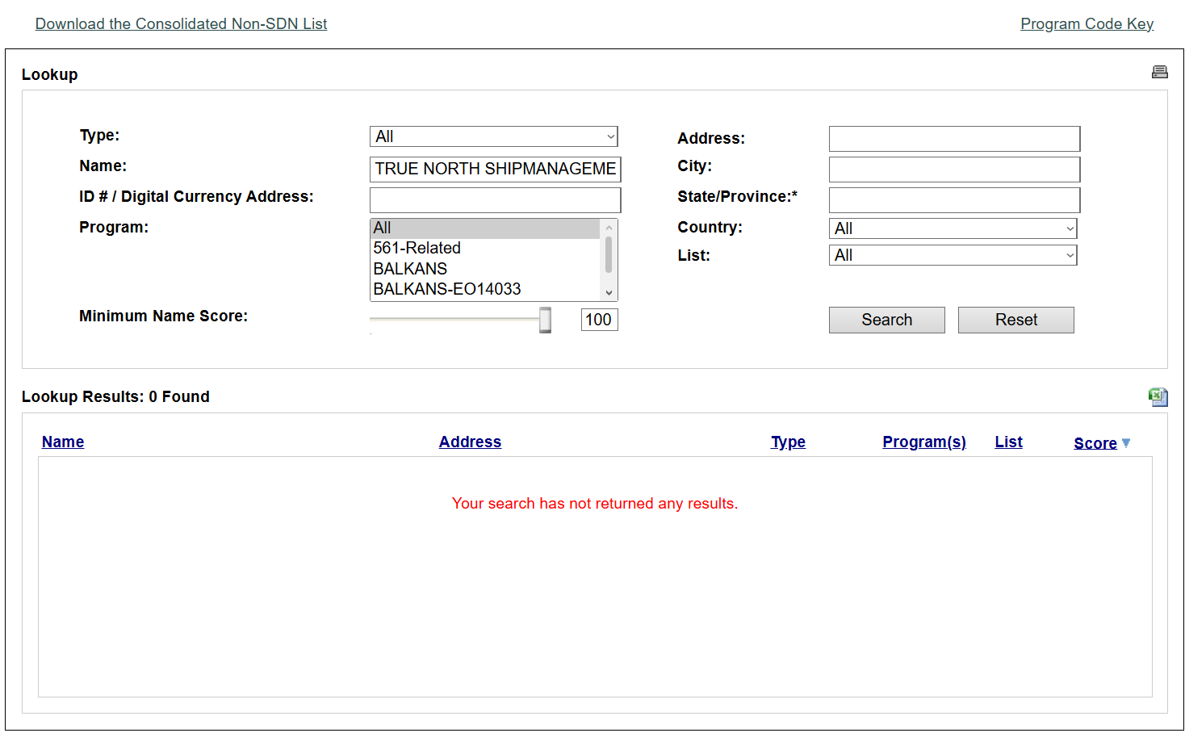
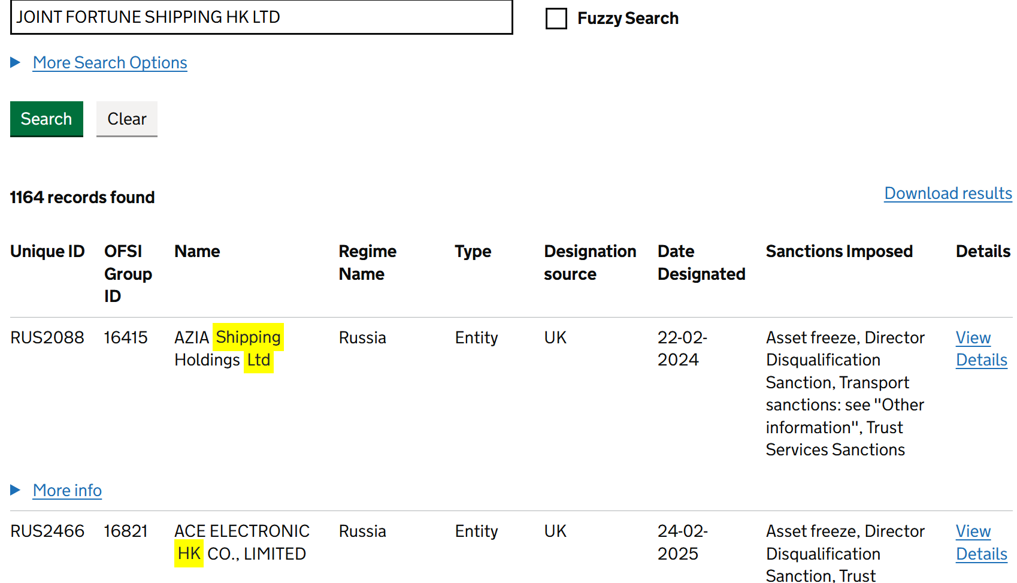
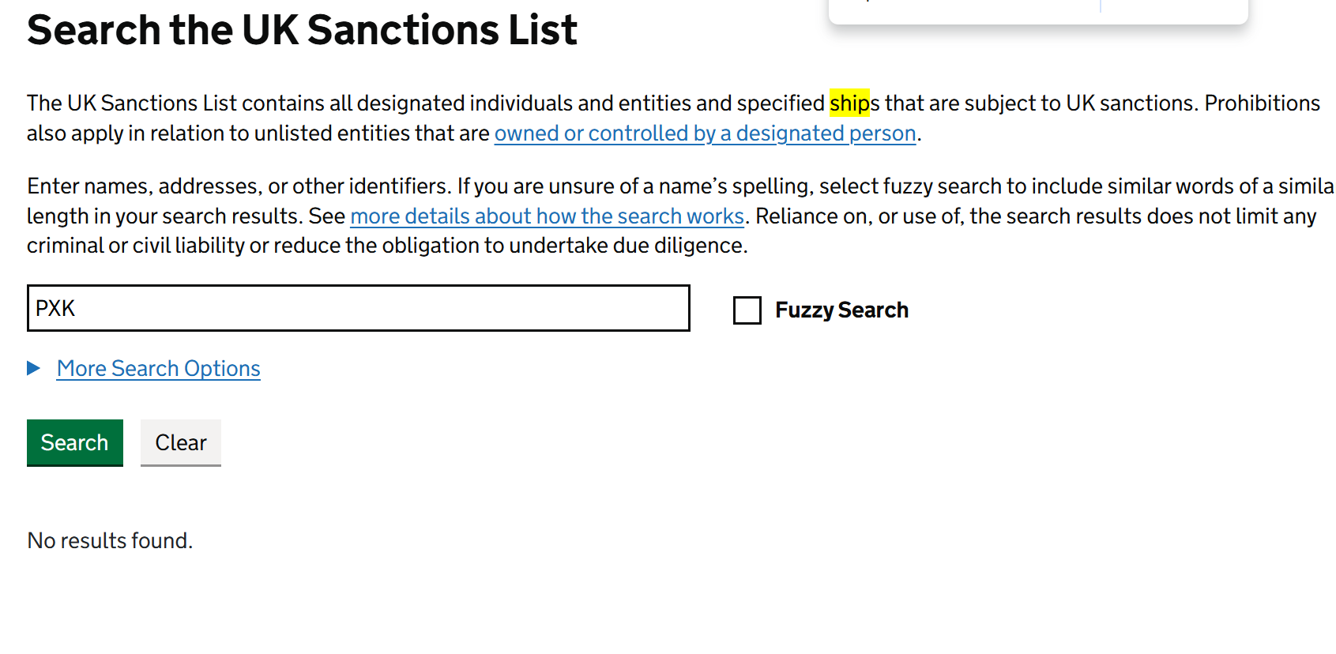
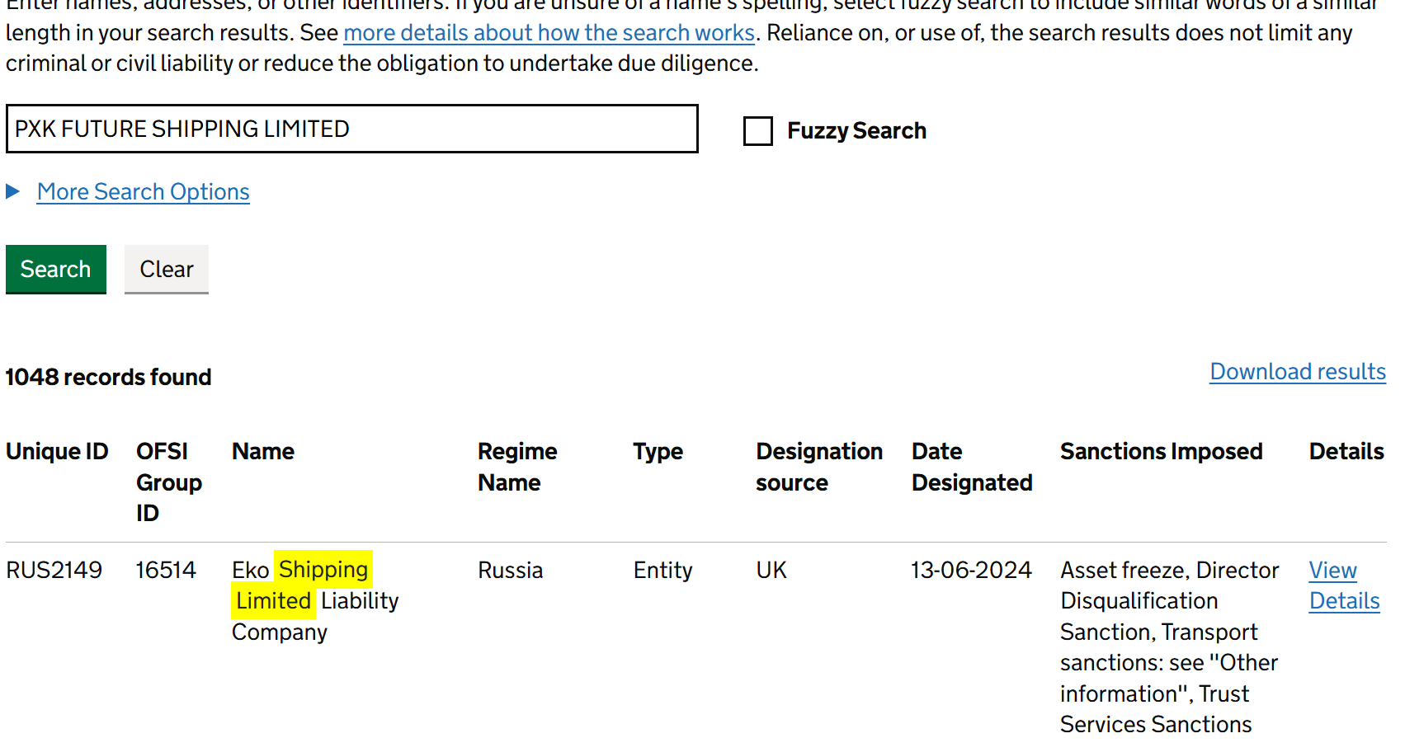
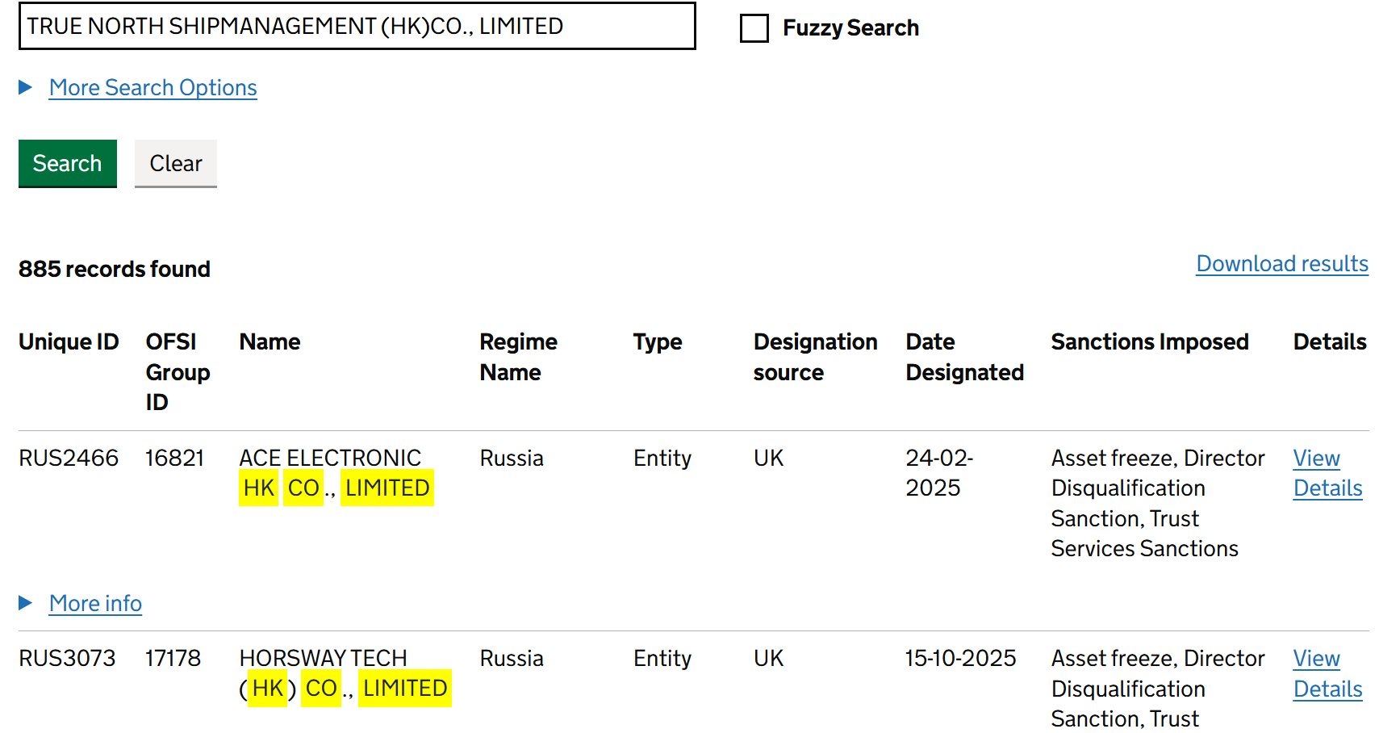
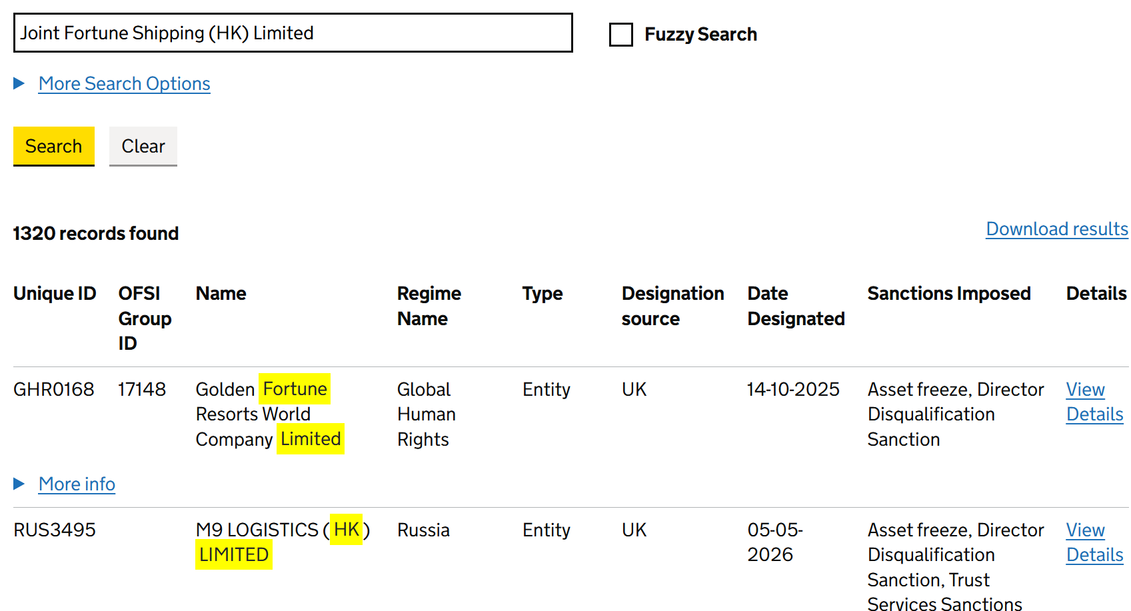
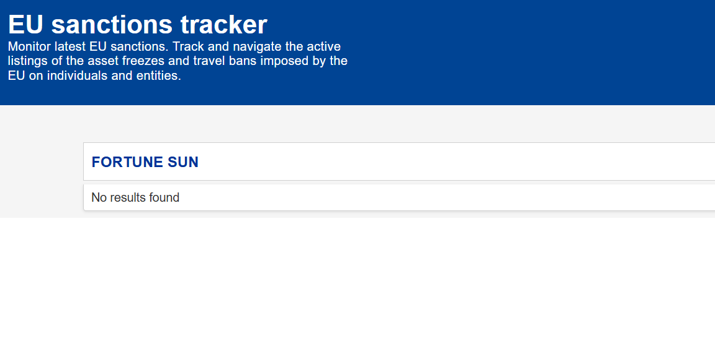
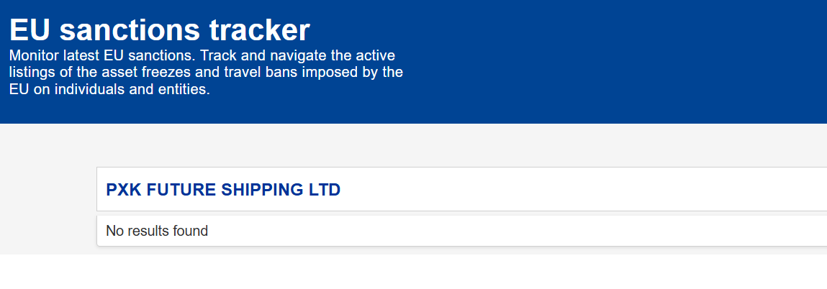
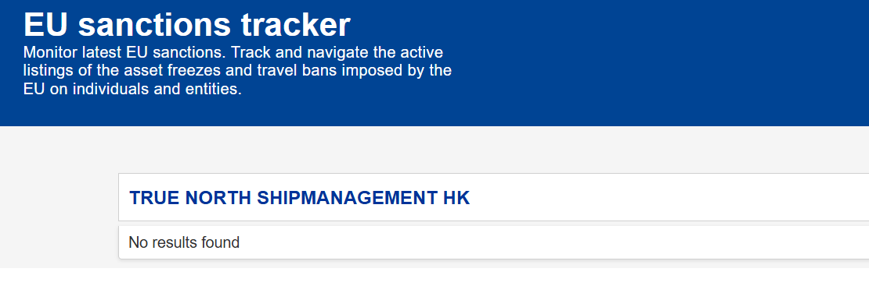
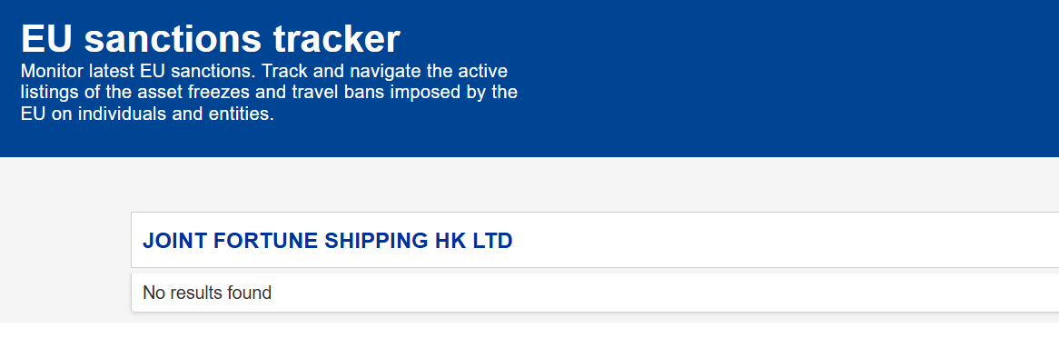

No call port history to Israel in the past 12 months from 2025-07-01 |  | No call port history to US in the past 12 months from 2025-07-01 |  | IMO： NORTH SKY (IMO 9953523) | IMO: 9386536 (“SPRING FORTUNE”)
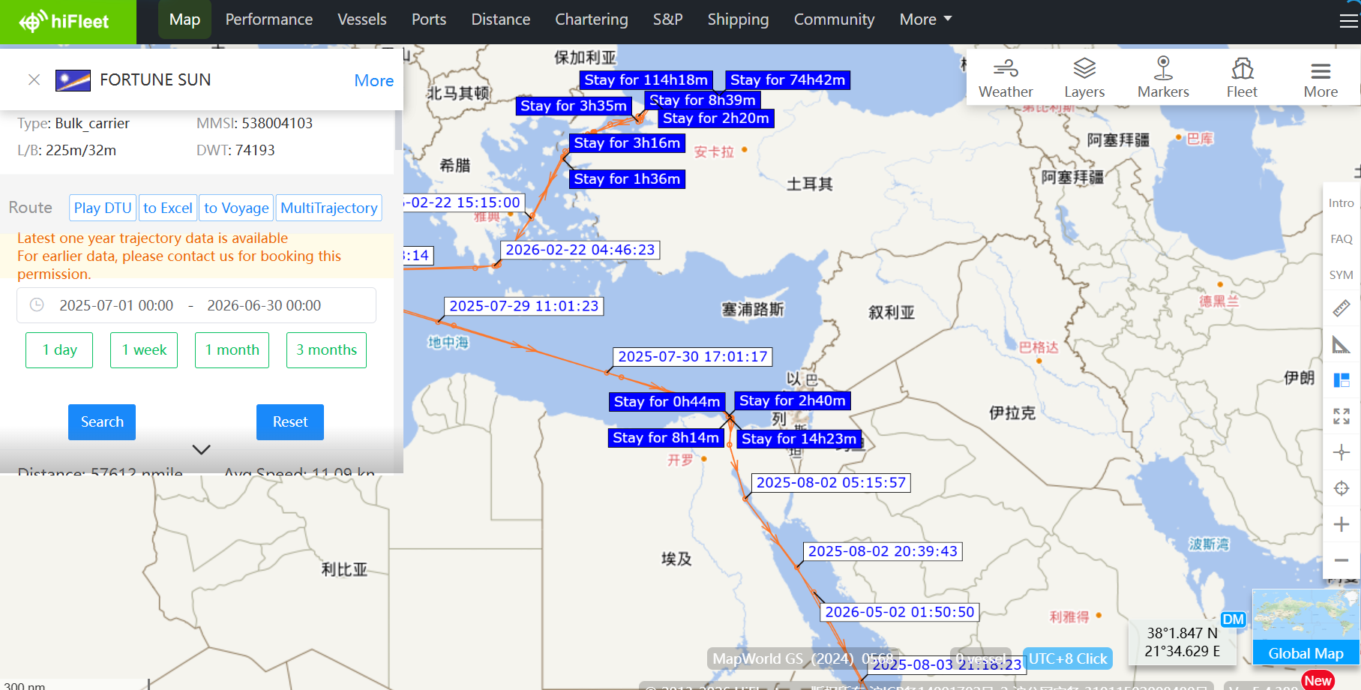
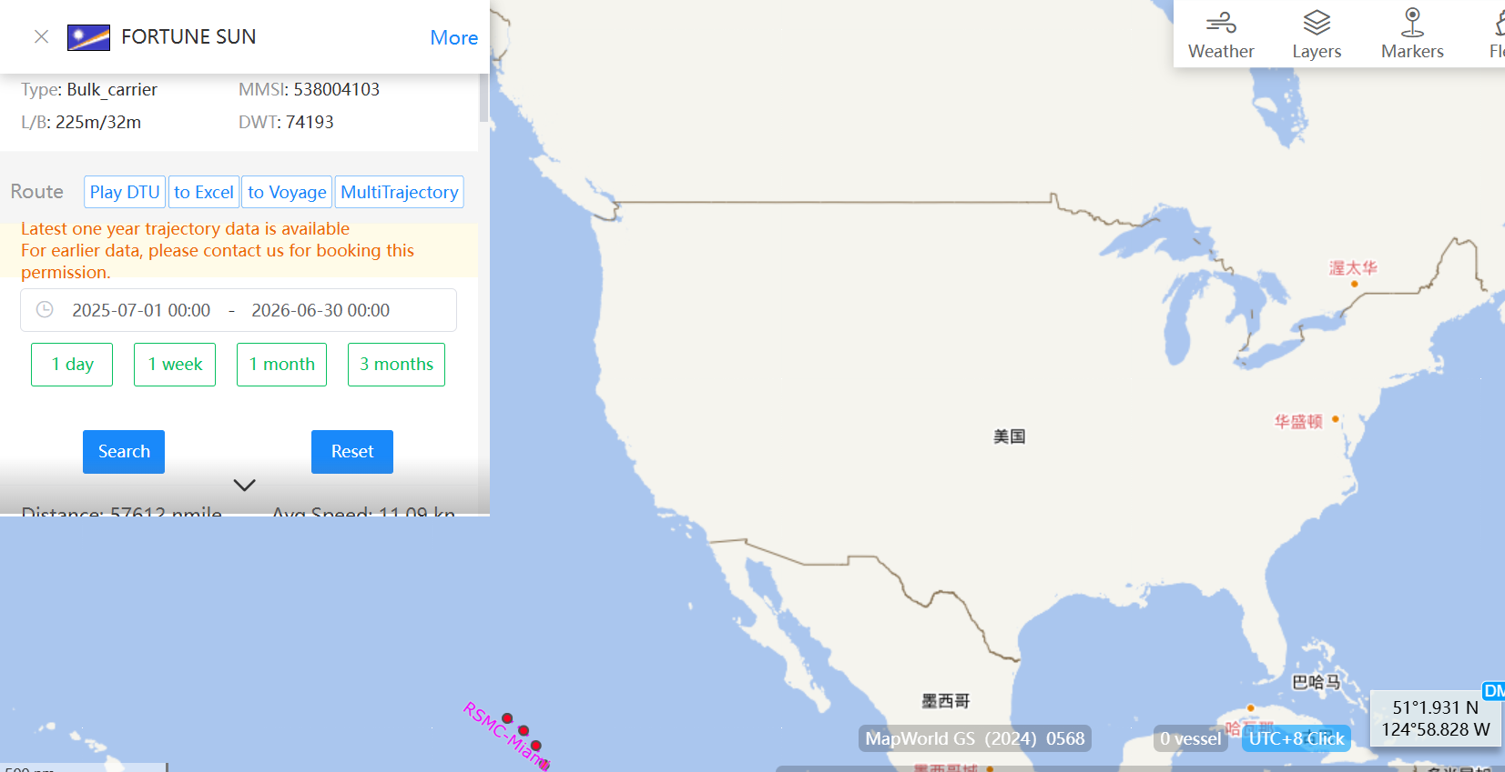
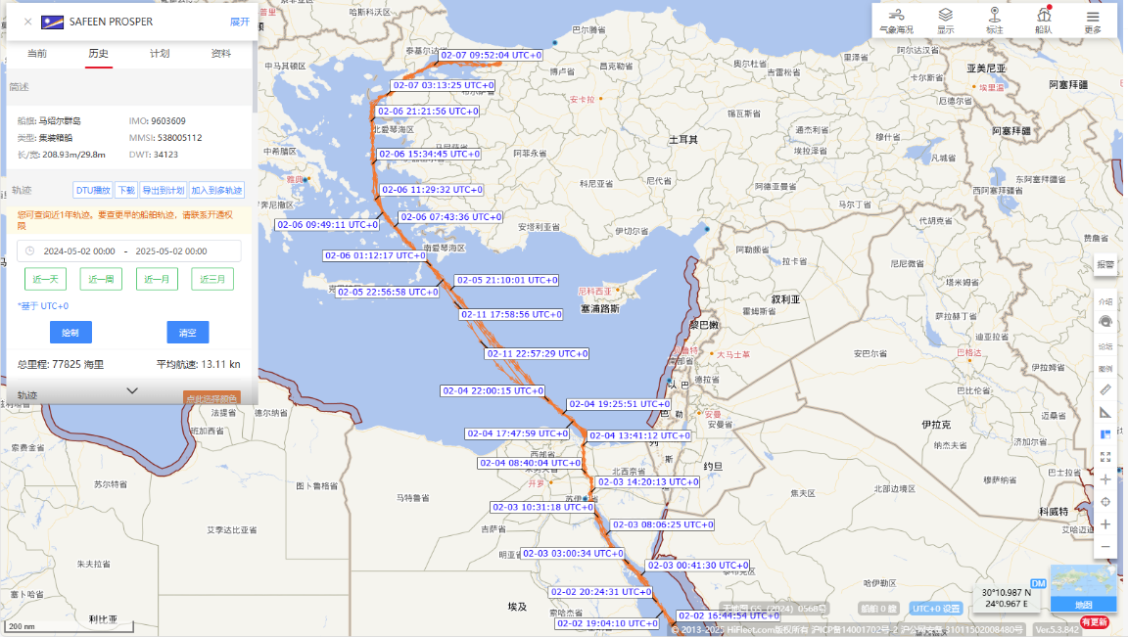
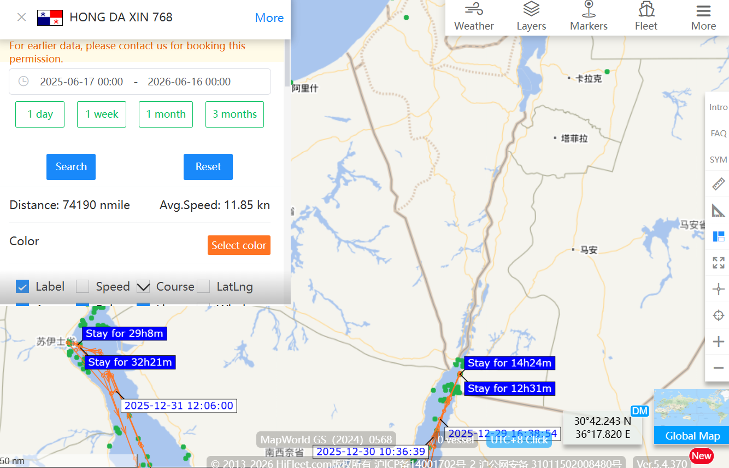
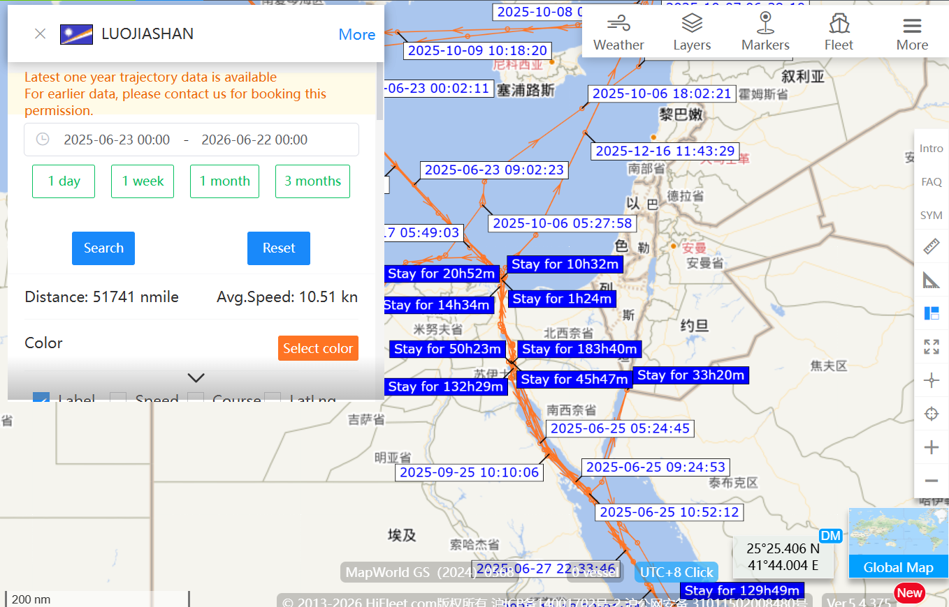
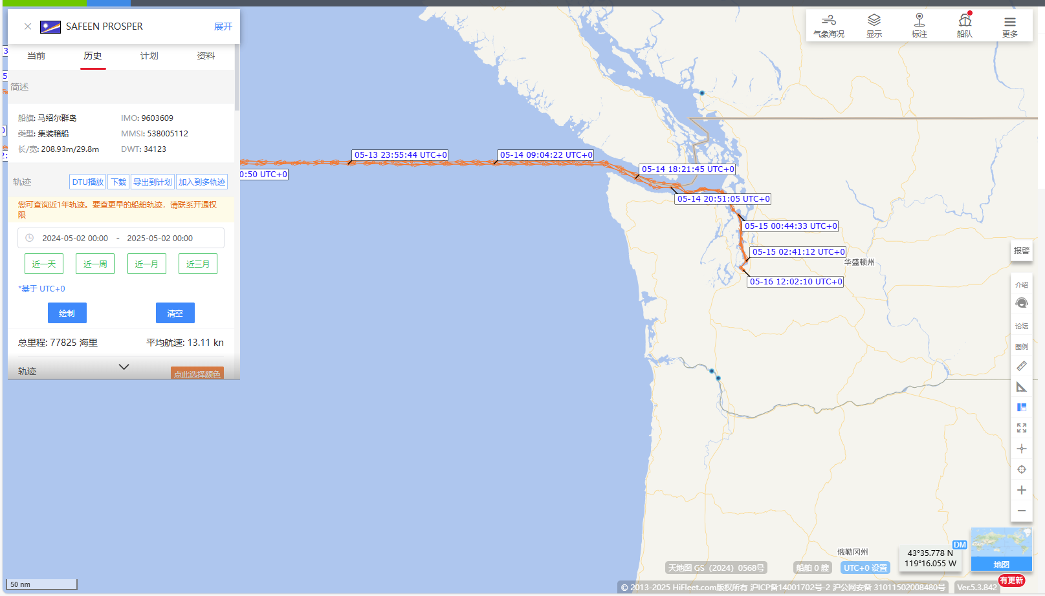

No Israeli, US and/or UK interests of the Vessel/Ownership/Management

